Sheet1
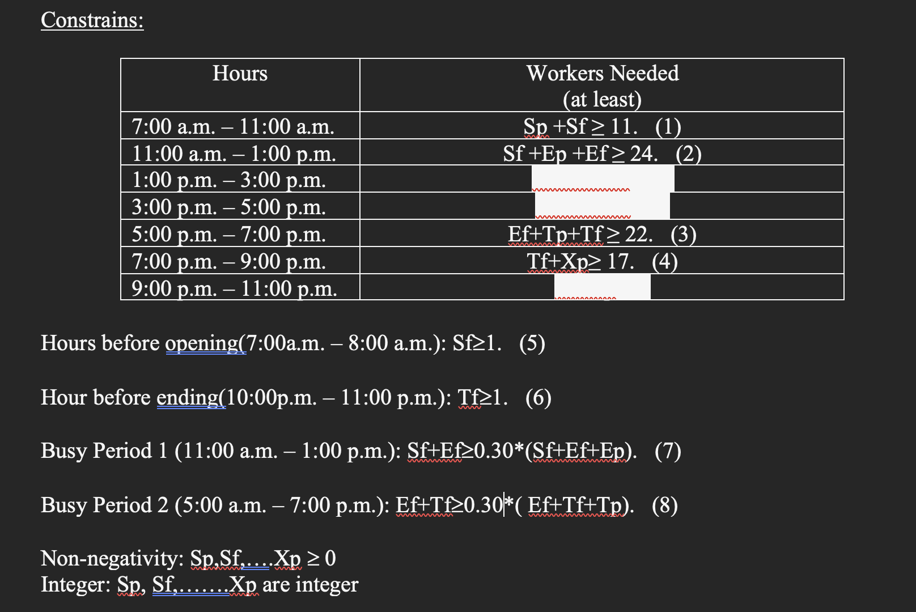
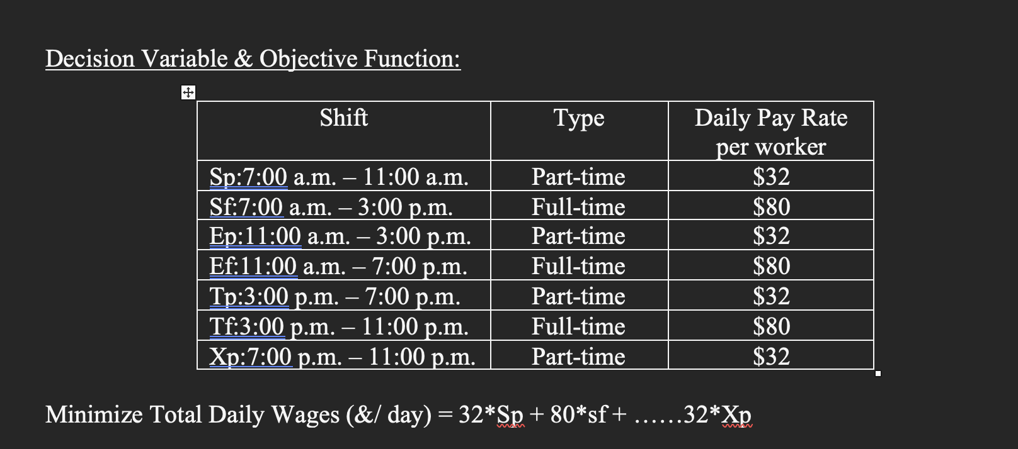
 | Initial/Optimum | Pay ($) | Constrains:
Sp | 10 | 32 | :(1) | 11 | >= | 11
Sf | 1 | 80 | :(2) | 24 | >= | 24
Ep | 16 | 32 | :(3) | 22 | >= | 22
Ef | 7 | 80 | :(4) | 17 | >= | 17
tp | 14 | 32 | :(5) | 1 | >= | 1
tf | 1 | 80 | :(6) | 1 | >= | 1
Xp | 16 | 32 | :(7) | 8 | >= | 7.2
 |  |  | :(8) | 8 | >= | 6.6
Min Cost | 2512

